Car Body type
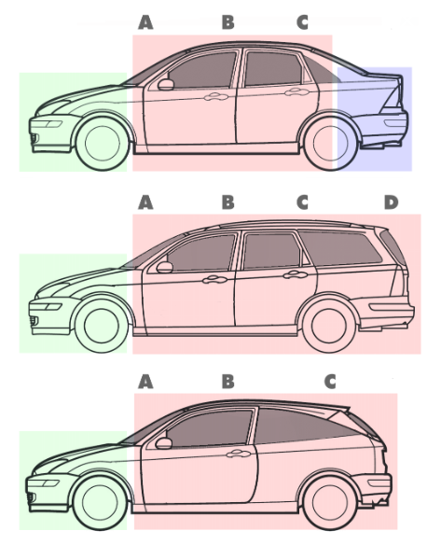
Sedan: | Has separate Trunck
Wagon: | Like Sedan, But roof is flat till end
Hatchback: | No Trunck | Sedan

 |  | Wagon

 |  | Hatchback

Wheel Drive
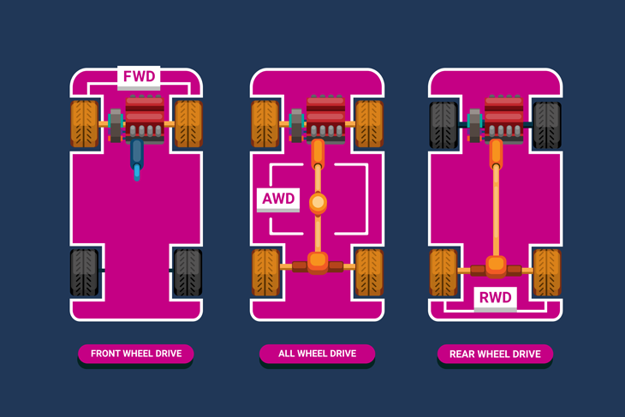

FWD, RWD and AWD: What do they mean?
FWD is front-wheel drive. RWD is rear-wheel drive. And AWD is all-wheel drive. You might sometimes see all-wheel drive referred to as four-wheel drive.

What are the differences?
With all three terms, it refers to where the power of the car is distributed from. In other words, when you put your foot down on the pedal, which wheels do the engines turn. In front wheel and rear wheel drive, only one pair of wheels is powered. The others will obviously move, but only through the motion of the vehicle, rather than the engine powering them. In simple terms. Front wheel drive is where the power is sent to the front two wheels. Rear wheel drive sends power to the back two wheels. And all-wheel drive distributes the power evenly between each wheel.

What are the advantages and disadvantages?
Front-wheel drive can mean you spend less money on petrol. Because the engine and the drivetrain is both at the front of the vehicle, then you will get better traction than you might have when power has to be sent to the back of the car. You might also find that front-wheel drive cars have bigger boot space, as they don’t need the powerful drivetrain to take up space in the back of the car. The biggest advantage of rear-wheel drive vehicles is that you have better handling. In a front-wheel drive vehicle, the front wheels have to power the car and steer the vehicle. This can have a negative affect when you take a corner, especially when you are going faster. An all-wheel drive vehicle is ideal for going off-road. Because power is sent to all four wheels, if one loses traction, then the other wheels should be able to compensate. But all-wheel drive cars tend to be heavier, as the drivetrain takes up more space, meaning you will burn more fuel.

Wheel Base
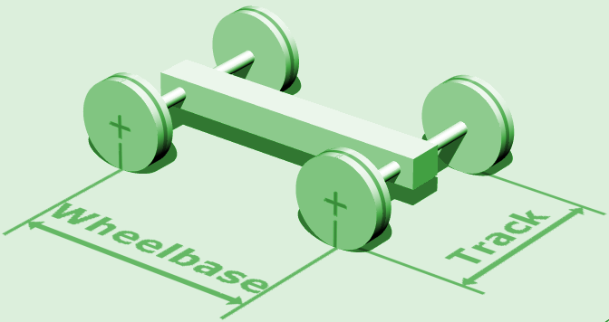

Bore Strock Ratio
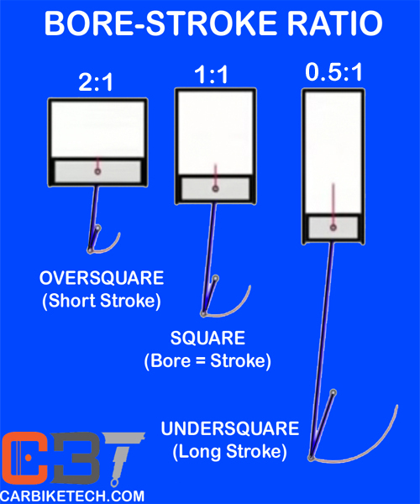

Compression Ratio
